Daily Power Station Chart_14-01
Plant_27/01/2025Chart

Plant:odco1 |  |  | Installed Capacity:111.180kWp
Today Yield(kWh):479.900kWh |  | Today Earning:191960.000TND |  | Today Full Load Hours(h):4.32h

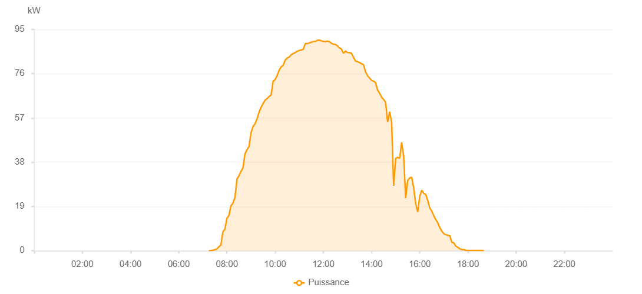

Number | Time | Working State | PV(W) | Instantaneous Radiation(W/㎡)
1 | 07:15:00 | Online | 30.00000 | 0
2 | 07:20:00 | Online | 190.00000 | 0
3 | 07:25:00 | Online | 610.00000 | 0
4 | 07:30:00 | Online | 870.00000 | 4.00000
5 | 07:35:00 | Online | 1110.00000 | 6.00000
6 | 07:40:00 | Online | 1450.00000 | 10.00000
7 | 07:45:00 | Online | 3340.00000 | 15.00000
8 | 07:50:00 | Online | 13420.00000 | 60.00000
9 | 07:55:00 | Online | 16300.00000 | 162.00000
10 | 08:00:00 | Online | 18050.00000 | 206.00000
11 | 08:05:00 | Online | 21630.00000 | 239.00000
12 | 08:10:00 | Online | 24270.00000 | 268.00000
13 | 08:15:00 | Online | 27840.00000 | 294.00000
14 | 08:20:00 | Online | 29240.00000 | 321.00000
15 | 08:25:00 | Online | 32630.00000 | 349.00000
16 | 08:30:00 | Online | 32670.00000 | 335.00000
17 | 08:35:00 | Online | 35620.00000 | 367.00000
18 | 08:40:00 | Online | 38260.00000 | 405.00000
19 | 08:45:00 | Online | 45780.00000 | 448.00000
20 | 08:50:00 | Online | 49870.00000 | 471.00000
21 | 08:55:00 | Online | 52580.00000 | 493.00000
22 | 09:00:00 | Online | 53620.00000 | 514.00000
23 | 09:05:00 | Online | 54810.00000 | 537.00000
24 | 09:10:00 | Online | 55780.00000 | 556.00000
25 | 09:15:00 | Online | 61340.00000 | 577.00000
26 | 09:20:00 | Online | 63700.00000 | 597.00000
27 | 09:25:00 | Online | 66180.00000 | 616.00000
28 | 09:30:00 | Online | 66070.00000 | 639.00000
29 | 09:35:00 | Online | 65550.00000 | 643.00000
30 | 09:40:00 | Online | 67690.00000 | 622.00000
31 | 09:45:00 | Online | 73360.00000 | 676.00000
32 | 09:50:00 | Online | 75930.00000 | 700.00000
33 | 09:55:00 | Online | 74160.00000 | 714.00000
34 | 10:00:00 | Online | 74000.00000 | 694.00000
35 | 10:05:00 | Online | 75890.00000 | 693.00000
36 | 10:10:00 | Online | 76350.00000 | 710.00000
37 | 10:15:00 | Online | 77090.00000 | 738.00000
38 | 10:20:00 | Online | 74290.00000 | 737.00000
39 | 10:25:00 | Online | 80510.00000 | 705.00000
40 | 10:30:00 | Online | 79200.00000 | 766.00000
41 | 10:35:00 | Online | 83670.00000 | 731.00000
42 | 10:40:00 | Online | 82910.00000 | 829.00000
43 | 10:45:00 | Online | 80120.00000 | 806.00000
44 | 10:50:00 | Online | 77270.00000 | 778.00000
45 | 10:55:00 | Online | 79300.00000 | 798.00000
46 | 11:00:00 | Online | 88550.00000 | 851.00000
47 | 11:05:00 | Online | 84880.00000 | 848.00000
48 | 11:10:00 | Online | 80280.00000 | 806.00000
49 | 11:15:00 | Online | 83050.00000 | 805.00000
50 | 11:20:00 | Online | 73990.00000 | 835.00000
51 | 11:25:00 | Online | 77670.00000 | 684.00000
52 | 11:30:00 | Online | 77340.00000 | 757.00000
53 | 11:35:00 | Online | 86300.00000 | 732.00000
54 | 11:40:00 | Online | 93280.00000 | 764.00000
55 | 11:45:00 | Online | 89530.00000 | 867.00000
56 | 11:50:00 | Online | 90520.00000 | 851.00000
57 | 11:55:00 | Online | 89790.00000 | 877.00000
58 | 12:00:00 | Online | 94120.00000 | 878.00000
59 | 12:05:00 | Online | 95350.00000 | 909.00000
60 | 12:10:00 | Online | 95350.00000 | 924.00000
61 | 12:15:00 | Online | 92070.00000 | 933.00000
62 | 12:20:00 | Online | 88160.00000 | 874.00000
63 | 12:25:00 | Online | 87190.00000 | 763.00000
64 | 12:30:00 | Online | 85660.00000 | 889.00000
65 | 12:35:00 | Online | 86450.00000 | 829.00000
66 | 12:40:00 | Online | 84160.00000 | 854.00000
67 | 12:45:00 | Online | 77270.00000 | 785.00000
68 | 12:50:00 | Online | 83440.00000 | 824.00000
69 | 12:55:00 | Online | 74420.00000 | 826.00000
70 | 13:00:00 | Online | 71160.00000 | 606.00000
71 | 13:05:00 | Online | 76000.00000 | 655.00000
72 | 13:10:00 | Online | 74520.00000 | 781.00000
73 | 13:15:00 | Online | 46290.00000 | 710.00000
74 | 13:20:00 | Online | 40730.00000 | 394.00000
75 | 13:25:00 | Online | 38140.00000 | 309.00000
76 | 13:30:00 | Online | 27080.00000 | 258.00000
77 | 13:35:00 | Online | 26090.00000 | 234.00000
78 | 13:40:00 | Online | 26560.00000 | 229.00000
79 | 13:45:00 | Online | 27330.00000 | 235.00000
80 | 13:50:00 | Online | 28300.00000 | 237.00000
81 | 13:55:00 | Online | 28650.00000 | 249.00000
82 | 14:00:00 | Online | 29410.00000 | 249.00000
83 | 14:05:00 | Online | 30690.00000 | 263.00000
84 | 14:10:00 | Online | 32020.00000 | 289.00000
85 | 14:15:00 | Online | 33860.00000 | 278.00000
86 | 14:20:00 | Online | 34920.00000 | 310.00000
87 | 14:25:00 | Online | 35250.00000 | 325.00000
88 | 14:30:00 | Online | 31680.00000 | 302.00000
89 | 14:35:00 | Online | 29710.00000 | 272.00000
90 | 14:40:00 | Online | 29300.00000 | 258.00000
91 | 14:45:00 | Online | 26100.00000 | 255.00000
92 | 14:50:00 | Online | 25520.00000 | 230.00000
93 | 14:55:00 | Online | 25840.00000 | 225.00000
94 | 15:00:00 | Online | 31960.00000 | 244.00000
95 | 15:05:00 | Online | 35120.00000 | 517.00000
96 | 15:10:00 | Online | 33580.00000 | 559.00000
97 | 15:15:00 | Online | 48080.00000 | 646.00000
98 | 15:20:00 | Online | 43460.00000 | 444.00000
99 | 15:25:00 | Online | 40420.00000 | 555.00000
100 | 15:30:00 | Online | 29390.00000 | 510.00000
101 | 15:35:00 | Online | 29310.00000 | 398.00000
102 | 15:40:00 | Online | 32280.00000 | 378.00000
103 | 15:45:00 | Online | 22620.00000 | 435.00000
104 | 15:50:00 | Online | 23520.00000 | 274.00000
105 | 15:55:00 | Online | 29570.00000 | 314.00000
106 | 16:00:00 | Online | 23340.00000 | 337.00000
107 | 16:05:00 | Online | 24400.00000 | 162.00000
108 | 16:10:00 | Online | 12770.00000 | 229.00000
109 | 16:15:00 | Online | 11820.00000 | 118.00000
110 | 16:20:00 | Online | 13460.00000 | 78.00000
111 | 16:25:00 | Online | 12450.00000 | 76.00000
112 | 16:30:00 | Online | 7240.00000 | 69.00000
113 | 16:35:00 | Online | 7250.00000 | 63.00000
114 | 16:40:00 | Online | 7300.00000 | 62.00000
115 | 16:45:00 | Online | 8430.00000 | 61.00000
116 | 16:50:00 | Online | 8050.00000 | 66.00000
117 | 16:55:00 | Online | 11020.00000 | 66.00000
118 | 17:00:00 | Online | 9910.00000 | 69.00000
119 | 17:05:00 | Online | 9490.00000 | 60.00000
120 | 17:10:00 | Online | 8130.00000 | 53.00000
121 | 17:15:00 | Online | 7220.00000 | 52.00000
122 | 17:20:00 | Online | 6460.00000 | 44.00000
123 | 17:25:00 | Online | 5910.00000 | 32.00000
124 | 17:30:00 | Online | 2000.00000 | 25.00000
125 | 17:35:00 | Online | 1110.00000 | 16.00000
126 | 17:40:00 | Online | 580.00000 | 9.00000
127 | 17:45:00 | Online | 350.00000 | 4.00000
128 | 17:50:00 | Online | 160.00000 | 1.00000
129 | 17:55:00 | Online | 80.00000 | 0
130 | 18:00:00 | Online | 50.00000 | 0
131 | 18:05:00 | Online | 40.00000 | 0
132 | 18:10:00 | Online | 40.00000 | 0
133 | 18:15:00 | Online | 40.00000 | 0
134 | 18:20:00 | Online | 40.00000 | 0
135 | 18:25:00 | Online | 40.00000 | 0
136 | 18:30:00 | Online | 40.00000 | 0
137 | 18:35:00 | Online | 40.00000 | 0
138 | 18:55:00 | Online | 0.00001 | 0.00001

